Issue Sheet
Issue Sheet |  |  |  |  |  |  |  |  |  |  |  |  |  |  |  |  |  | Rev.1.0

r | Control Information

 |  | Issue No. |  | TIP | I | A | 02124 | Type |  |  | Request |  | Status |  |  | OPEN
 |  | Creation Date |  | 2021-10-18 |  |  |  | Due Date |  |  | 2021-10-18 |  | Close Date
 |  | Priority |  | High |  |  |  | System |  |  | EBS |  | Application Module |  |  | AR

r | Inquiry Information

 |  | [TIP ENDUSER/TIPISD/ME-Sui] |  |  |  |  |  |  | [TIPISD/ME-Sui] |  |  |  |  | [ME-Sui]
 |  |  | Request | Approval |  |  |  |  |  | Registration |  | Approval |  |  | Reception |  | Assignment
 |  | Dept. | FIA | FIA |  |  |  |  | Dept. | TIP-ISD |  | TIP-ISD |  | Dept.
 |  | Name | RISSA MAE ERNACIO | NORALYN FLORENCIO |  |  |  |  | Name | R. De Villa |  | E. Jacob |  | Name
 |  | Date | 2021-10-18 | 2021-10-18 |  |  |  |  | Date | 2021-10-20 |  | 2021-10-20 |  | Date

 |  | Issue Category |  | Application
 |  | Title |  | Rollback of Billing statement with interface to GAIA.
 |  | Issue |  | Rollback of below billing statement that was interfaced to GAIA without invoice series 2110 BS#0001572

**PLEASE FILL OUT ORANGE SHEETS ALSO**

 |  | Reason |  | PIC was unable to assign W series number for this billing statement before it was interfaced to GAIA

 |  | Detail Attachment |  | No |  |  |  | Link to Attachment Sheet

r | Investigation Information

 |  | [TIPISD/ME-Sui] |  |  |  |  |  |  | [TIPISD/ME-Sui] |  |  |  |  | [TIP ENDUSER]
 |  |  | Investigation | Approval |  |  |  |  |  | Confirmation |  | Approval |  |  | Confirmation |  | Approval
 |  | Dept. |  |  |  |  |  |  | Dept. |  |  |  |  | Dept.
 |  | Name |  |  |  |  |  |  | Name |  |  |  |  | Name
 |  | Date |  |  |  |  |  |  | Date |  |  |  |  | Date

 |  | Cause Category
 |  | Cause

 |  | Workaround and Countermeasure

 |  | Detail Attachement |  |  |  |  |  | Link to Attachment Sheet

r | Actual Operation Information
 |  | [TIPISD/ME-Sui] |  |  |  |  |  |  | [TIPISD/ME-Sui] |  |  |  |  | [TIP ENDUSER]
 |  |  | Operation | Approval |  |  |  |  |  | Confirmation |  | Approval |  |  | Confirmation |  | Approval
 |  | Dept. | TIP-ISD | TIP-ISD |  |  |  |  | Dept. |  |  |  |  | Dept. | FIA |  | FIA
 |  | Name | R. De Villa | E. Jacob |  |  |  |  | Name |  |  |  |  | Name | RISSA MAE ERNACIO |  | NORALYN FLORENCIO
 |  | Date | 2021-10-18 | 2021-10-18 |  |  |  |  | Date |  |  |  |  | Date | 2021-10-18 |  | 2021-10-18

 |  | Actual Operation |  | Please see actual operation on Oct. 20, 2021

 |  | Evidence Attachment |  |  |  |  |  | Link to Attachment Sheet

Datailed Inquiry Information
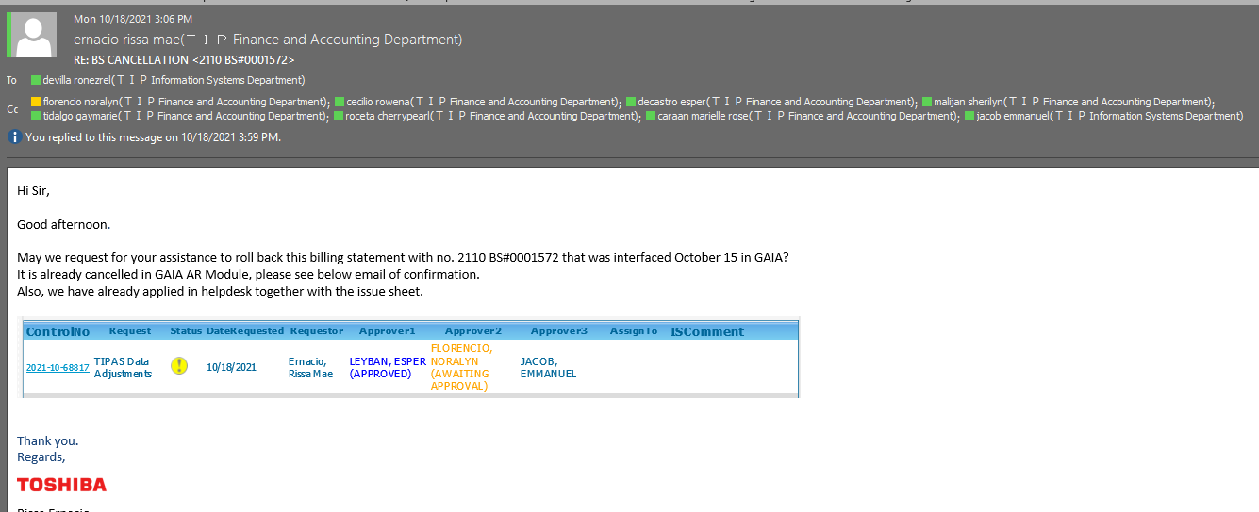
Detailed Inquiry Information

 | PLEASE PROVIDE EVIDENCE OF REQUEST / DETAILS OF REQUEST HERE (IN DETAIL).

Actual Operation Evidence
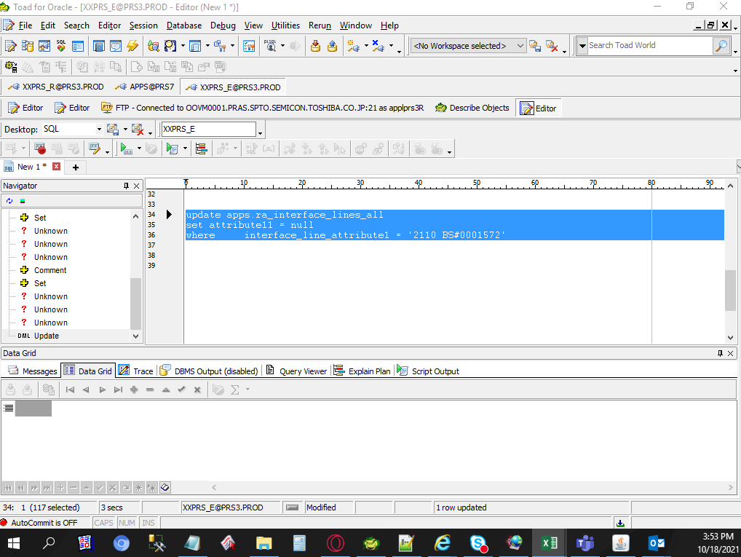
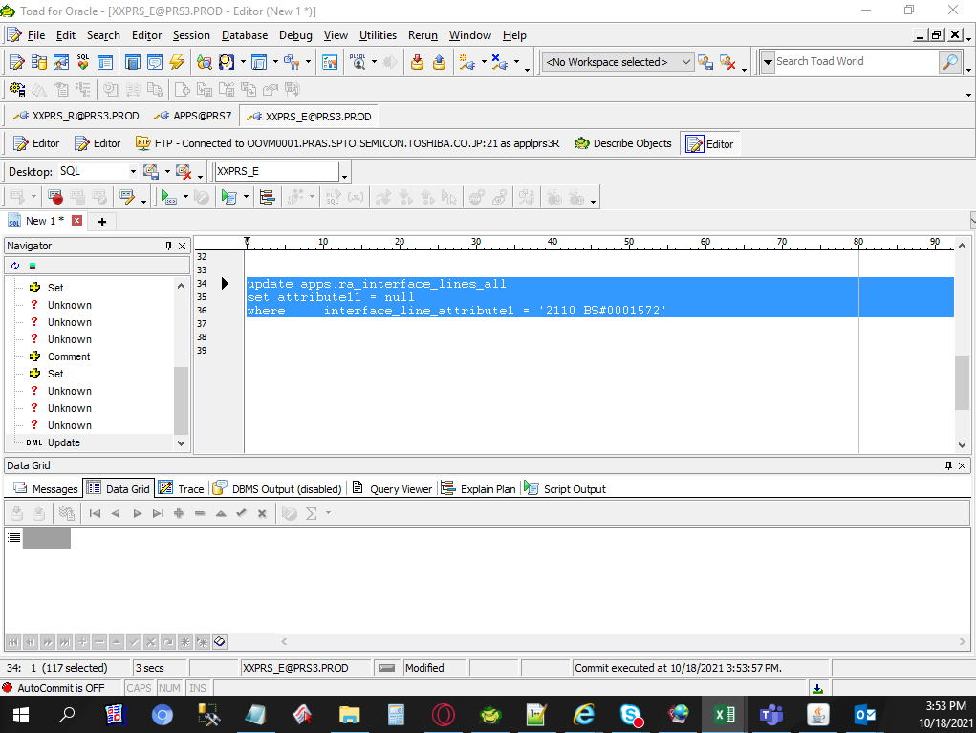
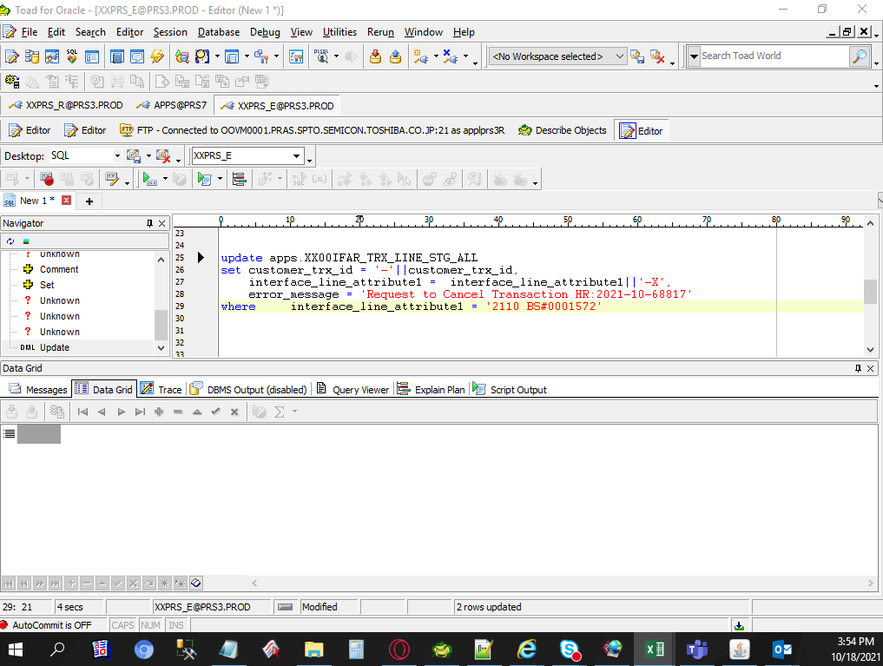
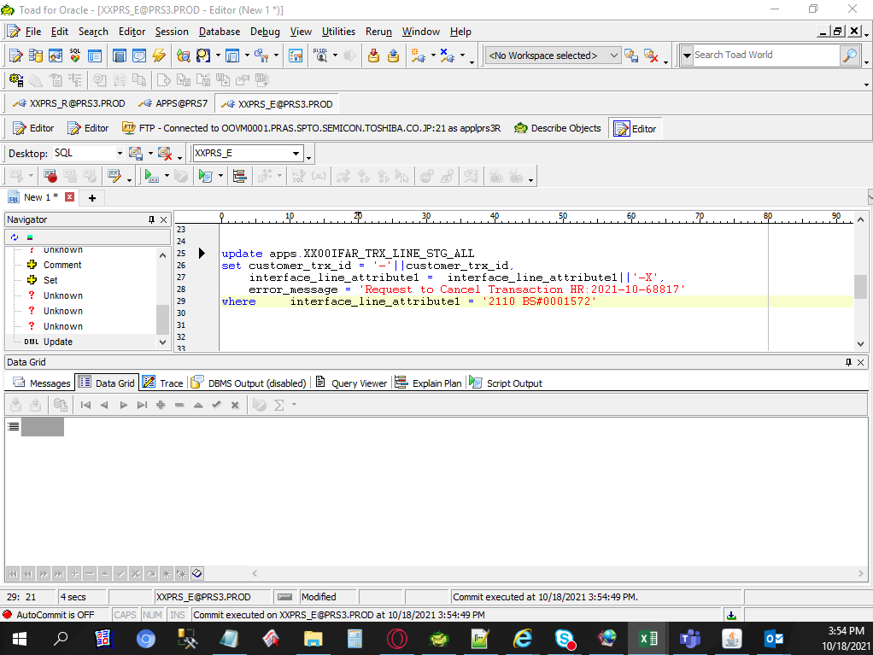
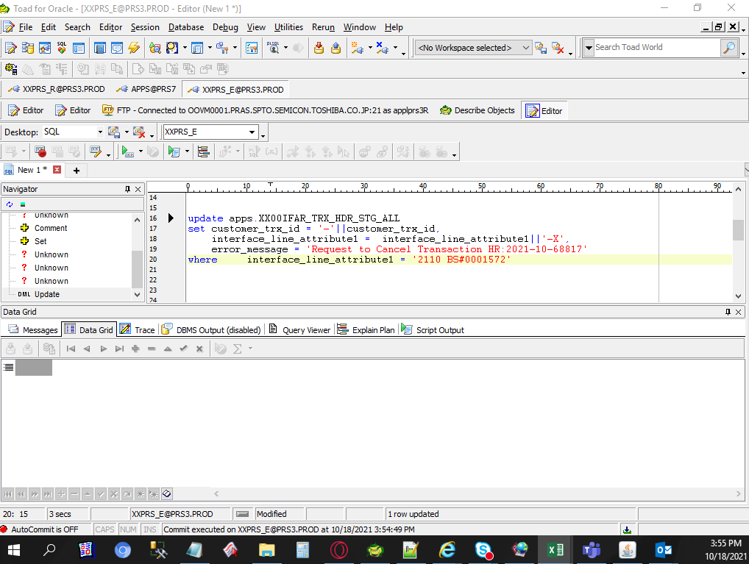

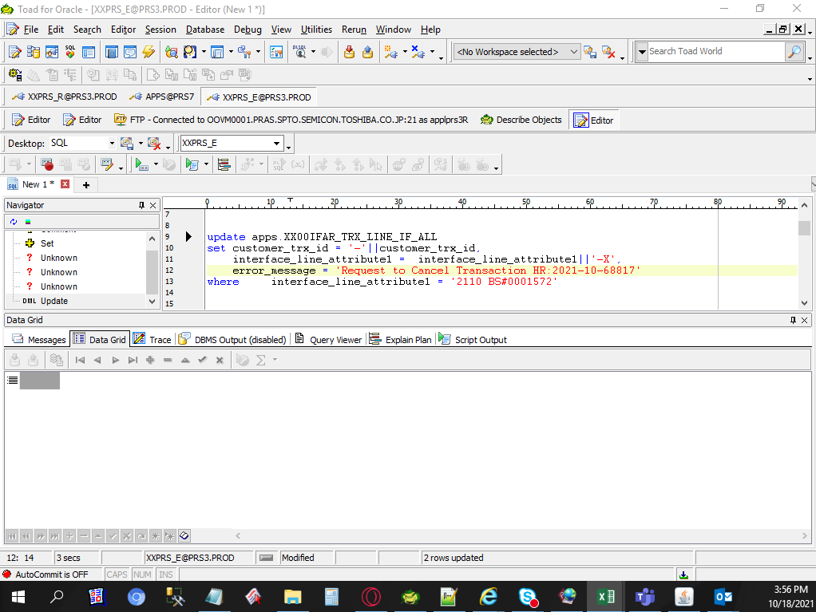

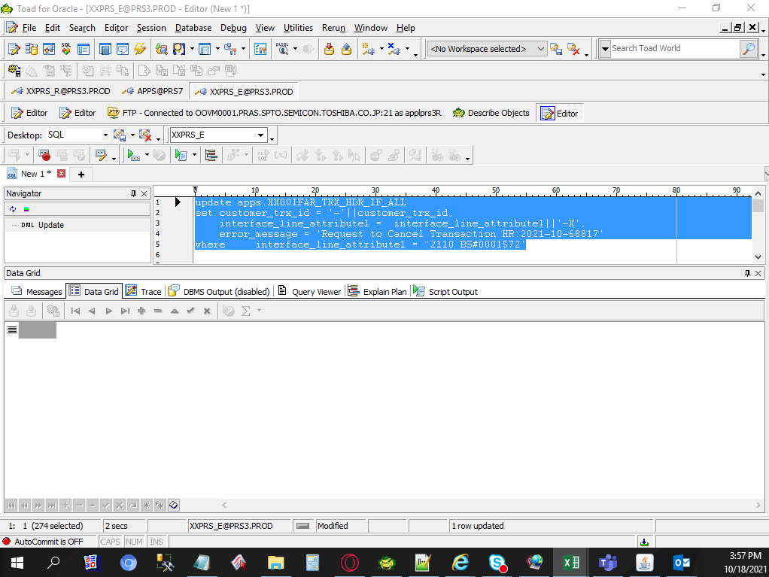

Actual Operation Evidence

Helpdesk Request
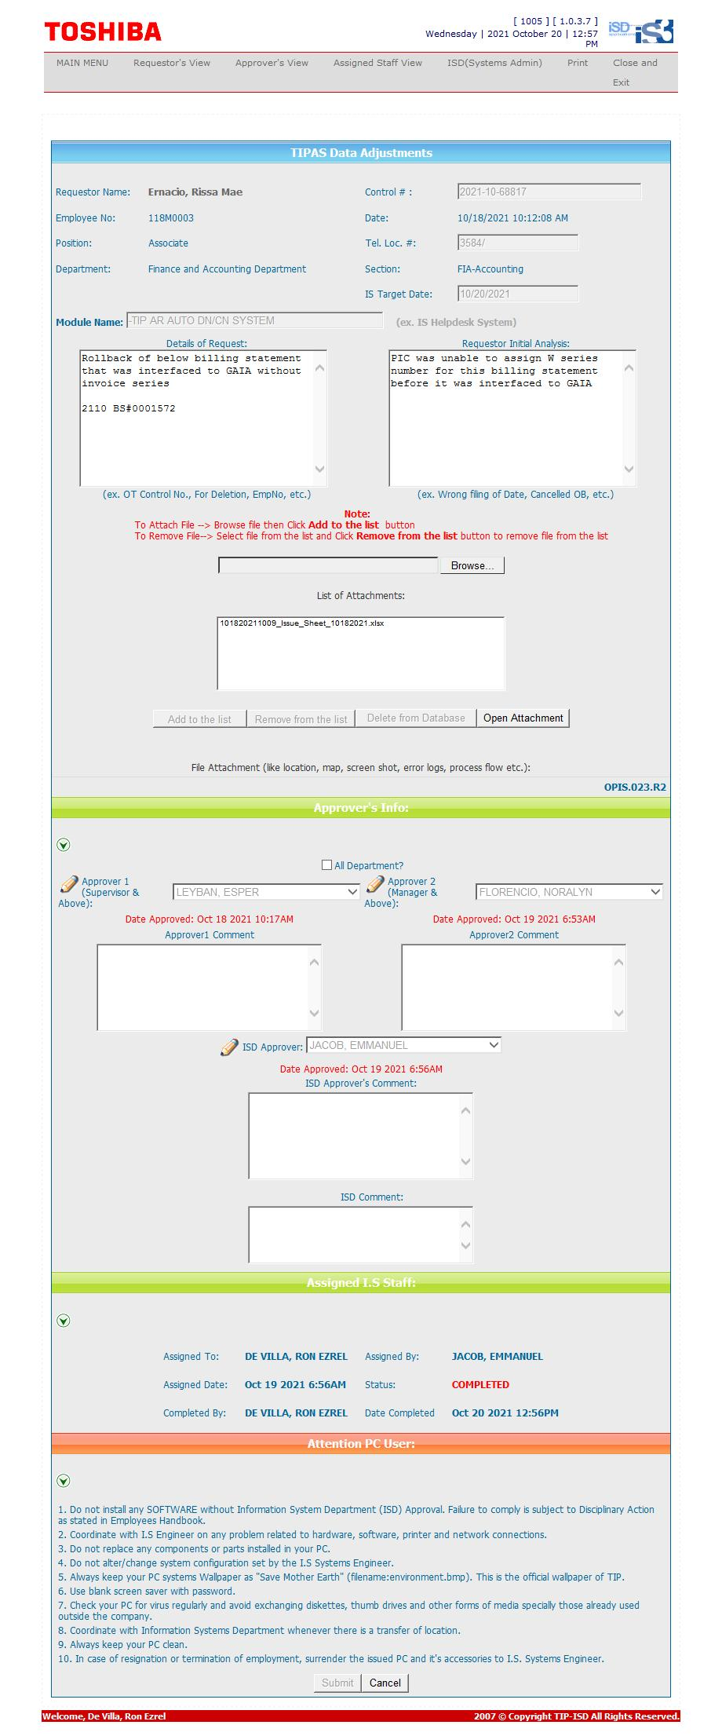
Helpdesk Request

 | ATTACH SCREENSHOT OF HELPDESK REQUEST.

